Community Care Grants
SPSO SCOTTISH WELFARE FUND OUTCOME BREAKDOWN 2025-26
COMMUNITY CARE GRANT

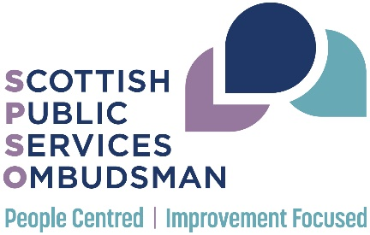
COMMUNITY CARE GRANT - cases closed at decision stage, by council and outcome
 | OUTCOME
COUNCIL | Upheld | Referred back to council | Not Upheld | Total | Uphold Rate
Aberdeen City Council | 1 | 0 | 0 | 1 | 100%
Argyll and Bute Council | 2 | 0 | 0 | 2 | 100%
Clackmannanshire Council | 3 | 0 | 1 | 4 | 75%
Dumfries and Galloway Council | 0 | 0 | 3 | 3 | 0%
East Ayrshire Council | 2 | 0 | 0 | 2 | 100%
East Dunbartonshire Council | 1 | 0 | 1 | 2 | 50%
East Renfrewshire Council | 4 | 0 | 2 | 6 | 67%
Falkirk Council | 1 | 0 | 0 | 1 | 100%
Fife Council | 9 | 0 | 7 | 16 | 56%
Glasgow City Council | 29 | 0 | 29 | 58 | 50%
Inverclyde Council | 1 | 0 | 1 | 2 | 50%
Midlothian Council | 3 | 0 | 2 | 5 | 60%
North Ayrshire Council | 5 | 0 | 2 | 7 | 71%
North Lanarkshire Council | 1 | 0 | 0 | 1 | 100%
Orkney Islands Council | 1 | 0 | 0 | 1 | 100%
Perth and Kinross Council | 2 | 0 | 1 | 3 | 67%
Renfrewshire Council | 5 | 0 | 3 | 8 | 63%
South Ayrshire Council | 1 | 0 | 2 | 3 | 33%
South Lanarkshire Council | 6 | 0 | 0 | 6 | 100%
The City of Edinburgh Council | 3 | 0 | 9 | 12 | 25%
The Highland Council | 1 | 0 | 0 | 1 | 100%
West Dunbartonshire Council | 3 | 0 | 1 | 4 | 75%
West Lothian Council | 1 | 0 | 1 | 2 | 50%
TOTAL | 85 | 0 | 65 | 150 | 57%

COMMUNITY CARE GRANT - cases closed at pre-decision stage, by council and outcome
 | OUTCOME
COUNCIL | Not duly made or withdrawn | Out of Jurisdiction | Premature | Resolved | Total
Clackmannanshire Council | 1 | 0 | 0 | 0 | 1
East Ayrshire Council | 0 | 1 | 0 | 0 | 1
East Dunbartonshire Council | 0 | 0 | 1 | 0 | 1
East Renfrewshire Council | 2 | 0 | 0 | 0 | 2
Falkirk Council | 0 | 1 | 0 | 0 | 1
Fife Council | 2 | 0 | 1 | 0 | 3
Glasgow City Council | 7 | 0 | 4 | 0 | 11
North Ayrshire Council | 1 | 0 | 1 | 0 | 2
North Lanarkshire Council | 0 | 0 | 0 | 1 | 1
Perth and Kinross Council | 2 | 0 | 0 | 0 | 2
Renfrewshire Council | 2 | 0 | 1 | 0 | 3
South Ayrshire Council | 1 | 0 | 1 | 0 | 2
South Lanarkshire Council | 1 | 0 | 0 | 1 | 2
The City of Edinburgh Council | 1 | 1 | 4 | 1 | 7
The Highland Council | 0 | 0 | 1 | 0 | 1
West Dunbartonshire Council | 1 | 0 | 2 | 0 | 3
TOTAL | 21 | 3 | 16 | 3 | 43

